Item Definition
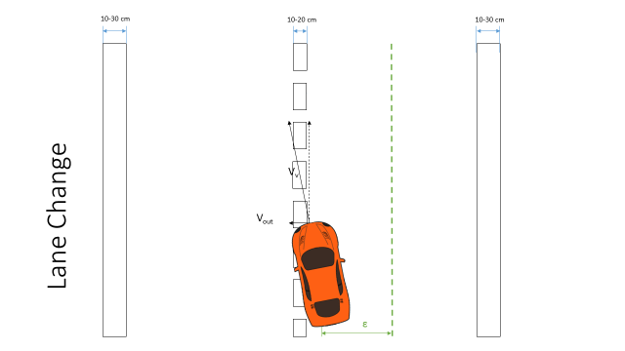
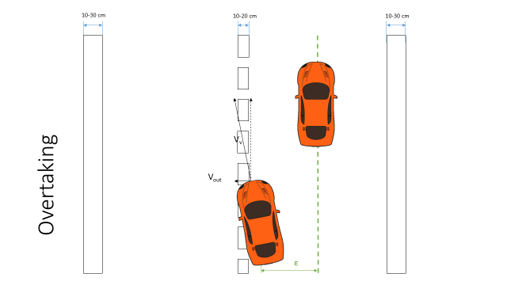
Scenario 1 |  | Scenario 2 |  |  | Scenario 3 | Scenario 4
Driving on a highway |  | Driving on a highway |  |  | Driving on a highway | Driving on a highway
Vehicle speed >50 kph |  | Vehicle speed >50 kph |  |  | Vehicle speed >50 kph | Vehicle speed >50 kph
On a straight road (R>1000 m) |  | On a straight road (1000>R>250 m) |  |  | On a straight road (R>1000 m) | On a straight road (1000>R>250 m)
Sunny weather |  | Sunny weather |  |  | Rainy/snowy weather | Rainy/snowy weather
Dry road conditions |  | Dry road conditions |  |  | Wet/slippery road conditions | Wet/slippery road conditions
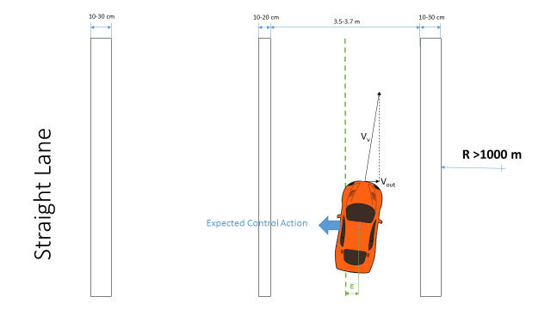
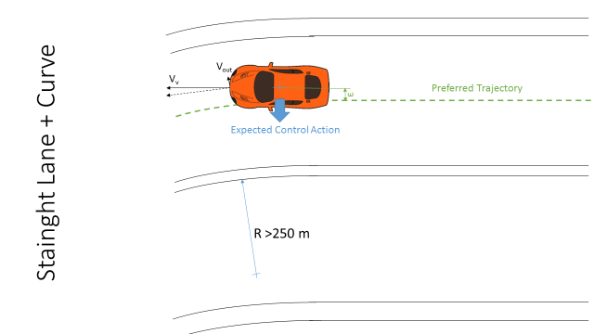

Scenario 5 |  | Scenario 5
Driving on a highway | Changing Lane | Driving on a highway | Changing Lane | Overtaking
Vehicle speed >50 kph |  | Vehicle speed >50 kph
On a straight road (1000>R>250 m) |  | On a straight road (1000>R>250 m)
Sunny weather |  | Sunny weather
Dry road conditions |  | Dry road conditions

HARA
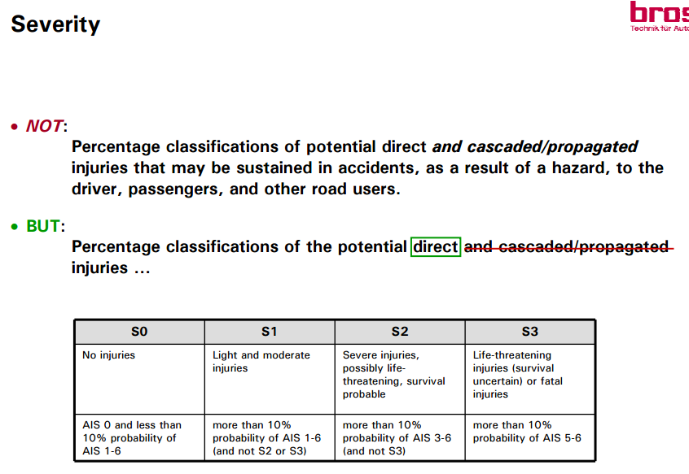
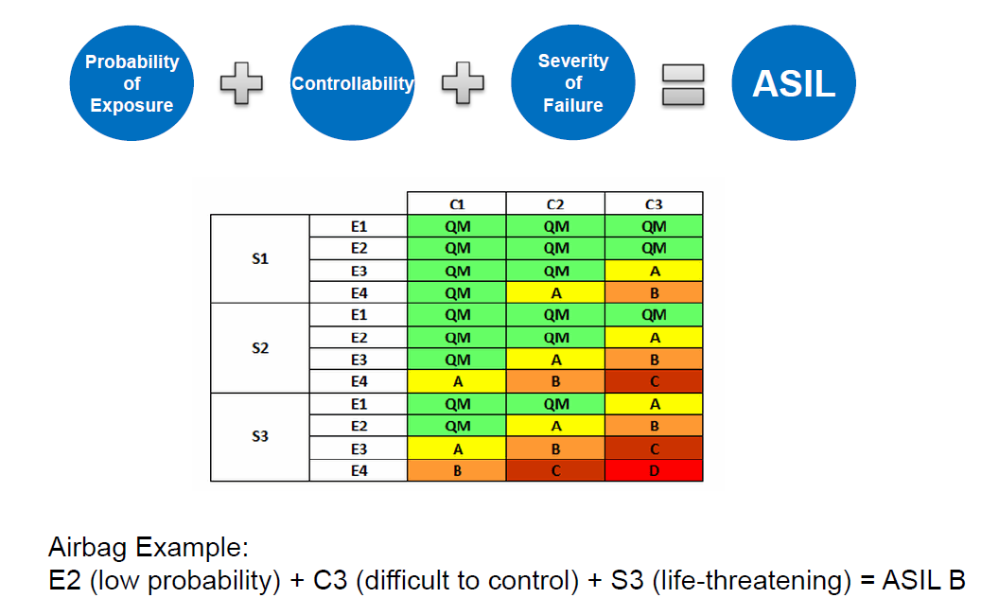
Hazard Analysis and Risk Assessment
Sr. No | Function |  | Hazard | Driving and Operating Situation |  |  | Effect of failure | Severity | Justification - S | Probability | Justification - E | Controllability | Justification - C | Resulting ASIL | Safety Goal
 |  |  |  | Scenario | Weather | Road layout and condition |  | 0-3 |  | 0-4 |  | 0-3

 | LKA
 |  | Activate LKA | No activation when button pressed | Scenario 1 |  |  | Lateral collision | 3 | V > 50 kph | 4 | Highway | 1 |  | B
 |  |  |  | Scenario 2 |  |  | Lateral collision | 3 | V > 50 kph | 4 | Highway | 2 |  | C
 |  |  |  | Scenario 3 |  |  | Lateral collision | 3 | V > 50 kph | 3 | Highway + Rain | 2 |  | B
 |  |  |  | Scenario 4 |  |  | Lateral collision | 3 | V > 50 kph | 3 | Highway + Rain | 2 |  | B
 |  |  | Unwanted activation | All scenarios |  |  | No collision |  |  |  |  |  |  | QM
 |  |  | Delayed Activation | Scenario 1
 |  |  |  | Scenario 2

 |  | Active steering | excessive steering | Scenario 1
 |  |  |  | Scenario 2

 | LDWS
 |  | On/Off LDWS
 |  | Display status of LDWS on dashboard
 |  | Display warning for Lane departure
 |  | Sound Alarm for lane departure

Sheet1
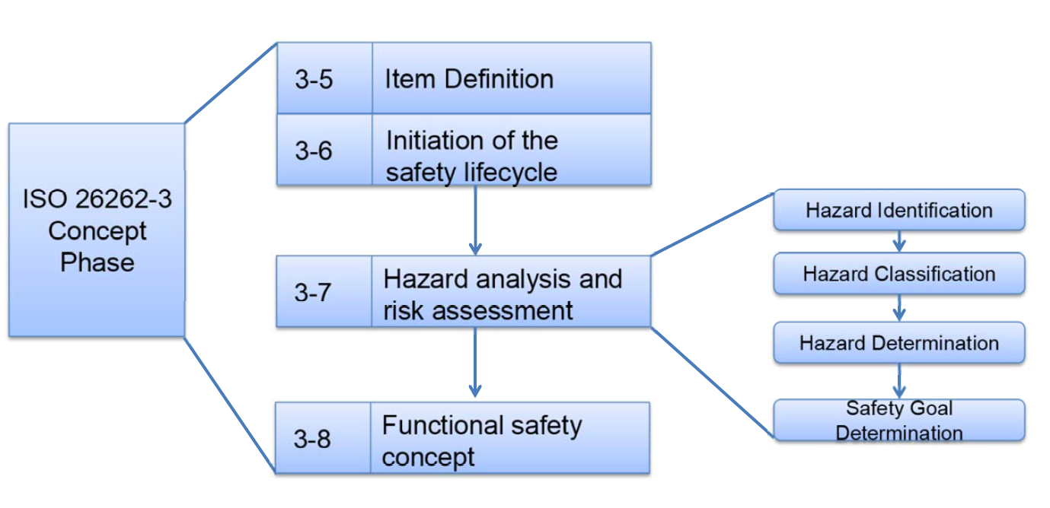
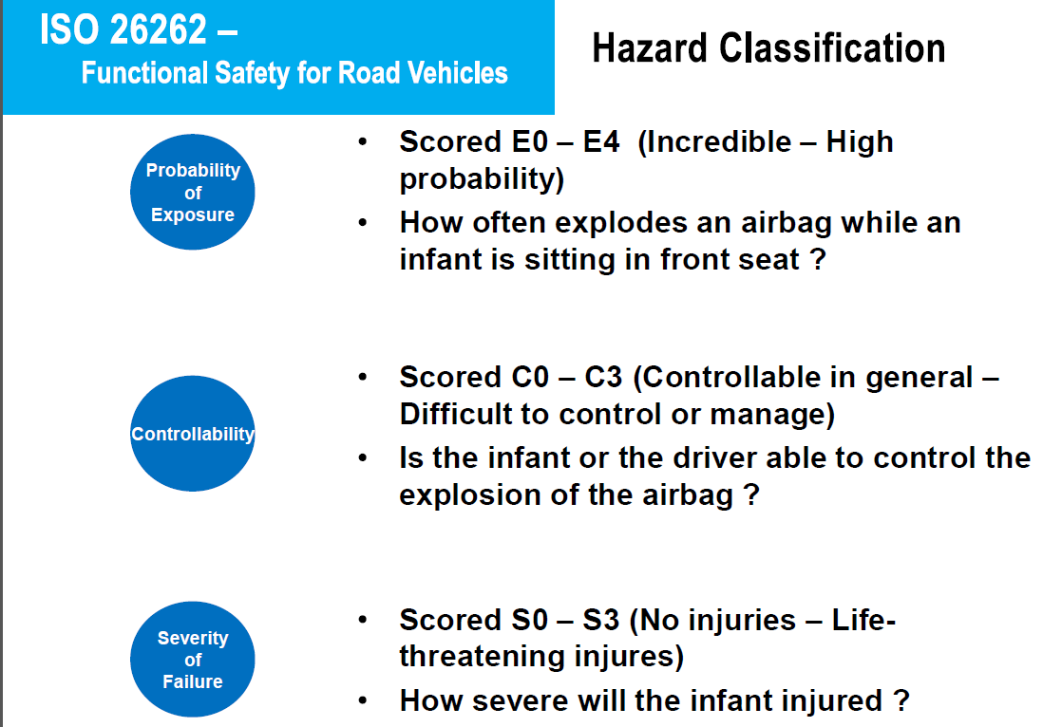
ISO 26262 - Functional safety for road vehicles : Hazard Analysis and Risk Assessment

